Analytics + Tag Mgr + GMB
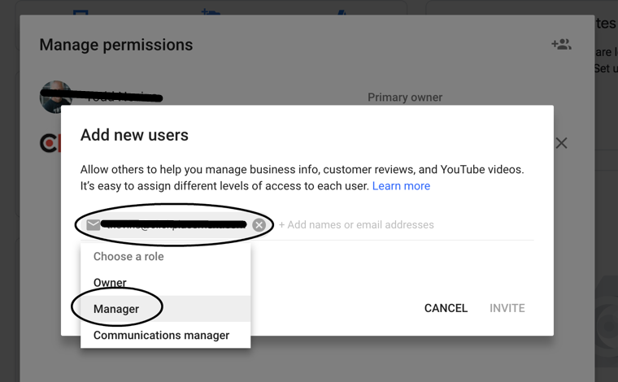
Google Analytics, Tag Manager and Google My Business

Google Analytics - Add a User

 | Create Google Analytics account: https://analytics.google.com/analytics/web/

 | Click bottom left Admin, User Management under Account column grant access

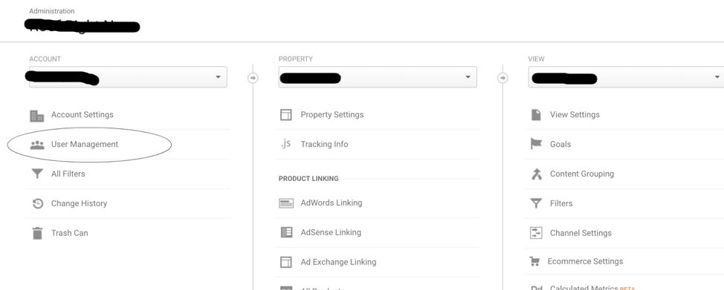

 | Permissions level:
 | Edit
 | Collaborate
 | Read & Analyze

Google Tag Manager - Add a User

 | Create Google Tag Manager account: https://www.google.com/analytics/tag-manager/

 | Once logged in, click Admin tab and User Management under Account column.

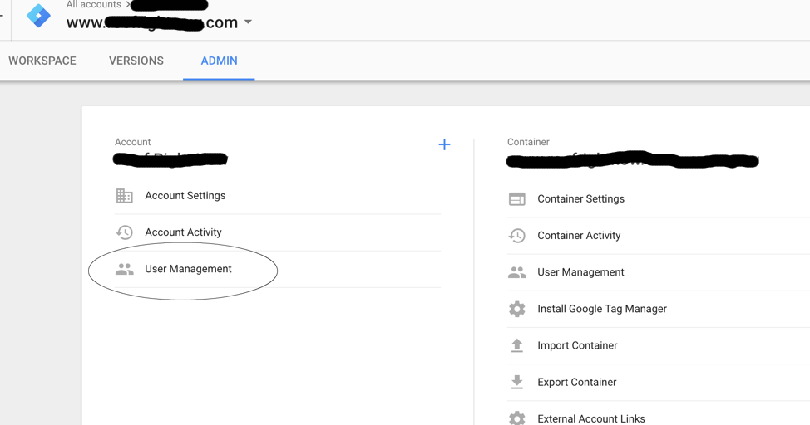

 | Access level: Admin
 | Container Permissions: Publish

Google My Business – Add a Manager

 | Invite a User to manage your Google My Business page to link it to Google AdWords for Location Extensions.

 | 1. From the Google My Business page, click ‘Users’ on the bottom of the left nav.

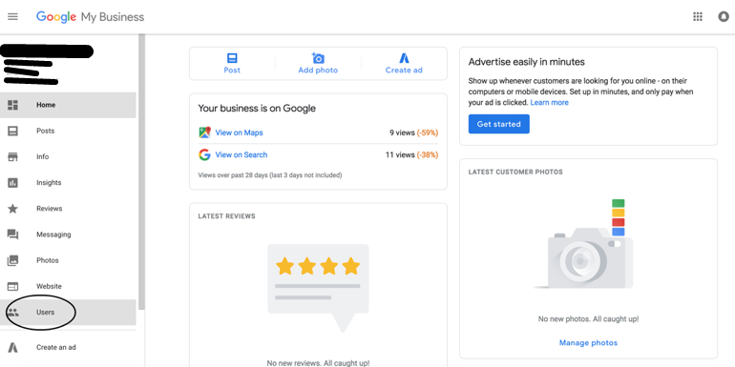

 | 2. Click ‘Invite new users in the upper right.
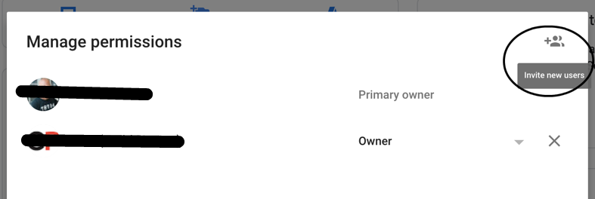

 | 3. From the ‘Add new users’ popup, enter email: @.com, choose Manager and then ‘Invite’.

